Application Screen
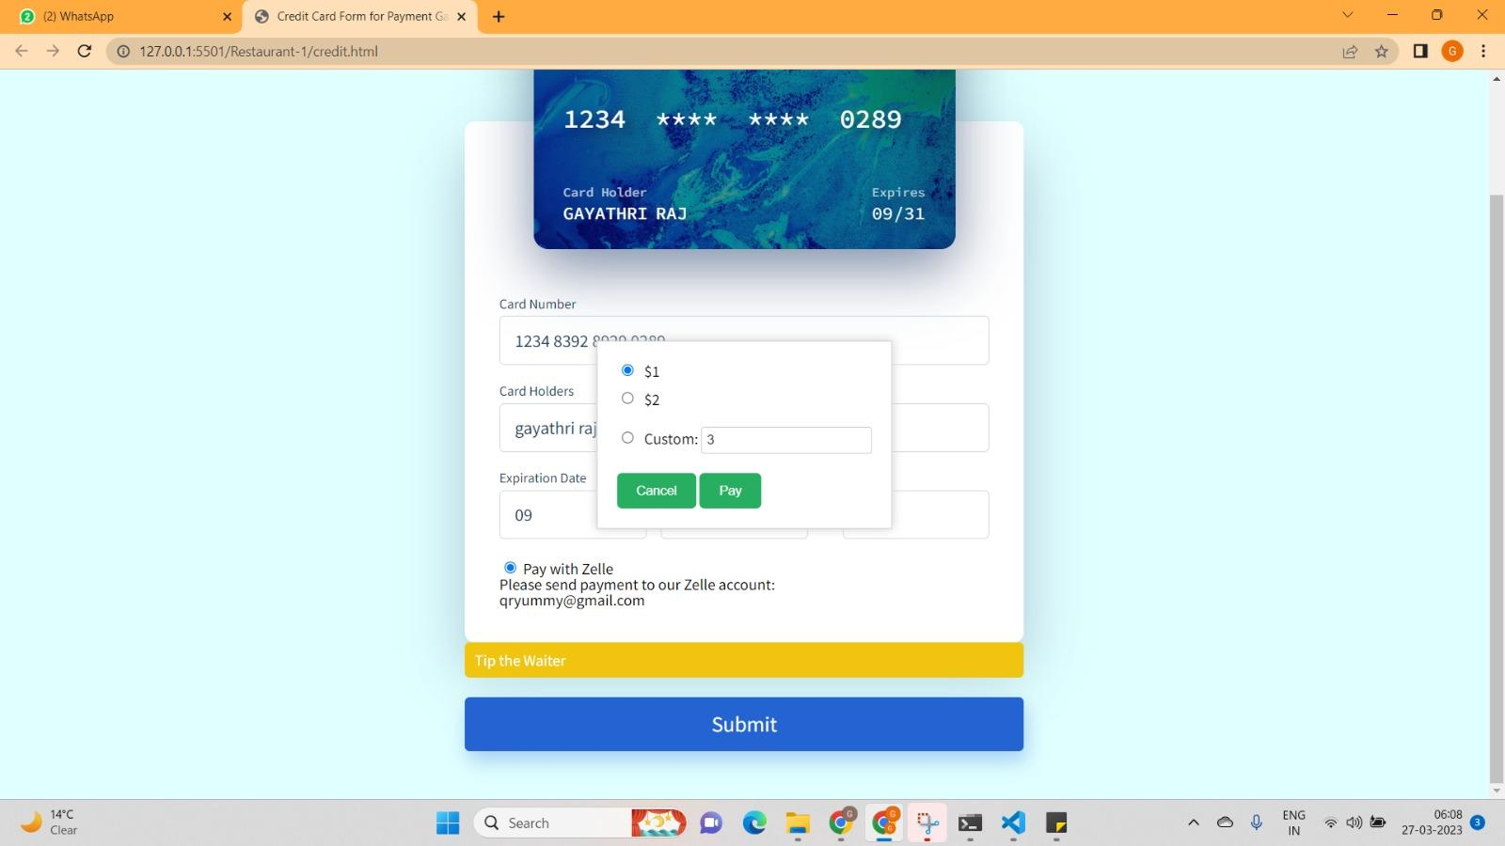

Test Case 2
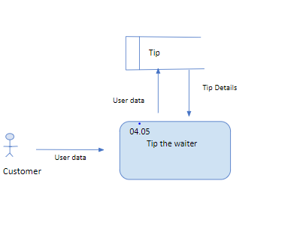
TC Title: | TC2. Tip the Waiter - Core Functionality Testing + Data Dependency Validation + Data Flow In/Out + Calculations

TC Objective: | The objective of this test case to validate the core functionality of the feature which is to add a payment method(credit/debit card or Zelle) and tip waiters. This also tests if the data entered by a user reflects properly on for their payment options.

TC Description
 | Step | Step Description | Expected Results
 | 1 | Press the Tip the Waiter button. | Pressing the button will open a pop-up prompting the user to enter a tip amount.
 | 2 | Check if there is no default value in the custom tip field. | The input field for custom tip should have no value in it.
 | 3 | Enter a valid tip amount in the custom tip field. | The tip entered by the user will appear in the field.
 | 4 | Press the Cancel button. | The popup for entering a tip will be closed, leaving the user at the Add payment option page.
 | 5 | With a valid tip amount, press the pay button. | The tip amount will be processed and be added as a charge to the user's chosen payment method.

